IntegralReport
 | Photometric Measurement Report
 | Generated by Labsphere's Integral™ Light Measurement Platform

EN-HB200C-40 |  |  |  |  |  |  |  |  | 2017-10-20
Description |  | HIGHBAY |  |  |  |  |  |  | Test Time |  |  | 2017-10-20 14:01:33
 |  |  |  |  |  |  |  |  | Integration Time |  |  | 4.7
Orientation |  | Basw Down |  |  |  |  |  |  | Scans Averaged |  |  | 3
Test by |  |  |  |  |  |  |  |  | Saturation |  |  | 81%
Notes |  |  |  |  |  |  |  |  | Sphere Geometry |  |  | 2PI
Reference |  | Sample |  |  |  |  |  |  | Room Temp |  |  | 24.9
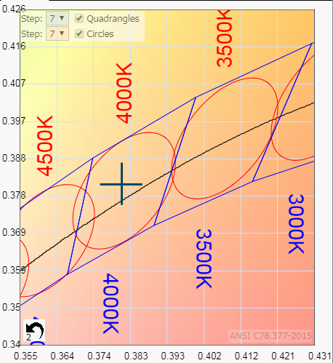
Relative Spectral Power Distribution
 | Scan 719
349.634 | 0.00585747
350.013 | 0.01443702
350.392 | 0.01161771
350.77 | 0.00608134
351.149 | 0.00573203
351.527 | 0.01386505
351.906 | 0.01222842
352.284 | 0.00734428
352.663 | 0.00819318
353.041 | 0.00552369
353.419 | 0.01192077
353.798 | 0.01373026
354.176 | 0.01300902
354.554 | 0.01645319
354.932 | 0.01322609
355.311 | 0.0119759
355.689 | 0.01648572
356.067 | 0.01146701
356.445 | 0.00901905
356.823 | 0.00962756
357.201 | 0.01111887
357.579 | 0.01041895
357.957 | 0.00837633
358.335 | 0.01499215
358.713 | 0.01275504
359.09 | 0.0163176
359.468 | 0.01569167
359.846 | 0.00889017
360.224 | 0.01149933
360.601 | 0.01075476
360.979 | 0.00966991
361.356 | 0.00990613
361.734 | 0.01393907
362.112 | 0.0128381
362.489 | 0.01000899
362.866 | 0.01281585
363.244 | 0.01002583
363.621 | 0.01070372
363.999 | 0.00953705
364.376 | 0.01164025
364.753 | 0.00938872
365.13 | 0.00529791
365.507 | 0.01066907
365.885 | 0.01073948
366.262 | 0.01198367
366.639 | 0.01036545
367.016 | 0.00973506
367.393 | 0.00730063
367.77 | 0.0062512
368.147 | 0.01079541
...

Electrical

Lumens |  | Watts |  | Volts |  | Amps |  | Lm/W |  | PF |  | V/A
26956 |  | 201 |  | 240 |  | 0.86 |  | 134 |  | 0.97 |  | 207

SDCM Calculations

SDCM |  | Target CCT |  | Actual CCT
1 |  | 4000 |  | 4018

Colour Measurments

Ra |  |  |  | x |  | y |  | Duv |  | u' |  | v'
82 |  |  |  | 0.3810 |  | 0.3815 |  | 0.0020 |  | 0.2236 |  | 0.5037

R1 | R2 | R3 | R4 | R5 | R6 | R7 | R8 | R9 | R10 | R11 | R12 | R13 | R14
80 | 87 | 93 | 82 | 80 | 82 | 87 | 65 | 8 | 69 | 80 | 60 | 81 | 96

Comments

Lumens 11% under spec

All measurements are taken in accordance with BS EN 13032 and IES LM-79-08
This report shall not be reproduced without the approval of Aurora Lighting.

Images
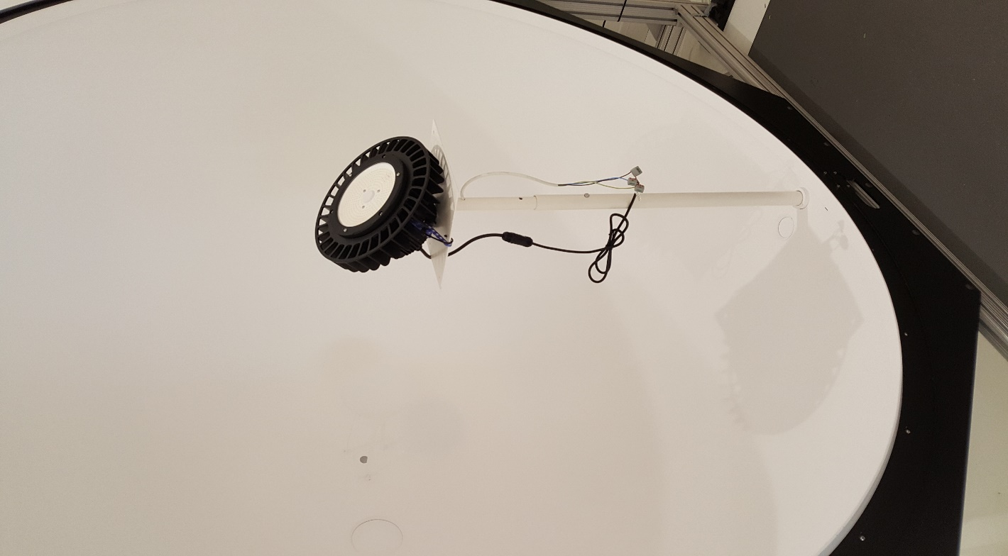 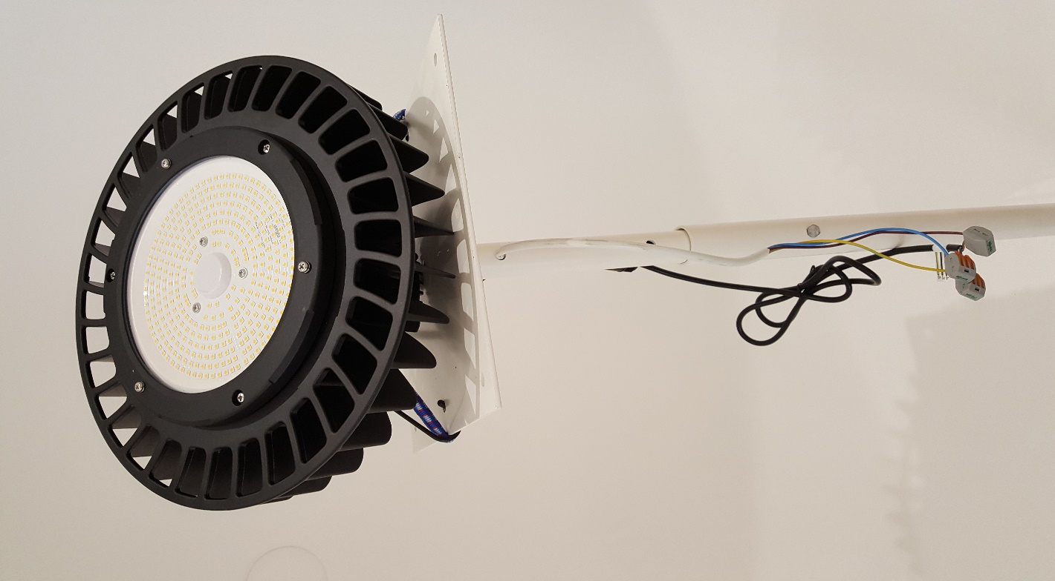
 | Photometric Measurement Report
 | Generated by Labsphere's Integral™ Light Measurement Platform

EN-HB200C-40 |  |  | 2017-10-20
Description |  | HIGHBAY | Test Time | 2017-10-20 14:01:33
 |  |  | Integration Time | 4.7
Orientation |  | Basw Down | Scans Averaged | 3
Test by |  | M.Welch | Saturation | 81%
Notes |  |  | Sphere Geometry | 2PI
Reference |  | Sample | Room Temp | 24.9

DUT Images

